Intro
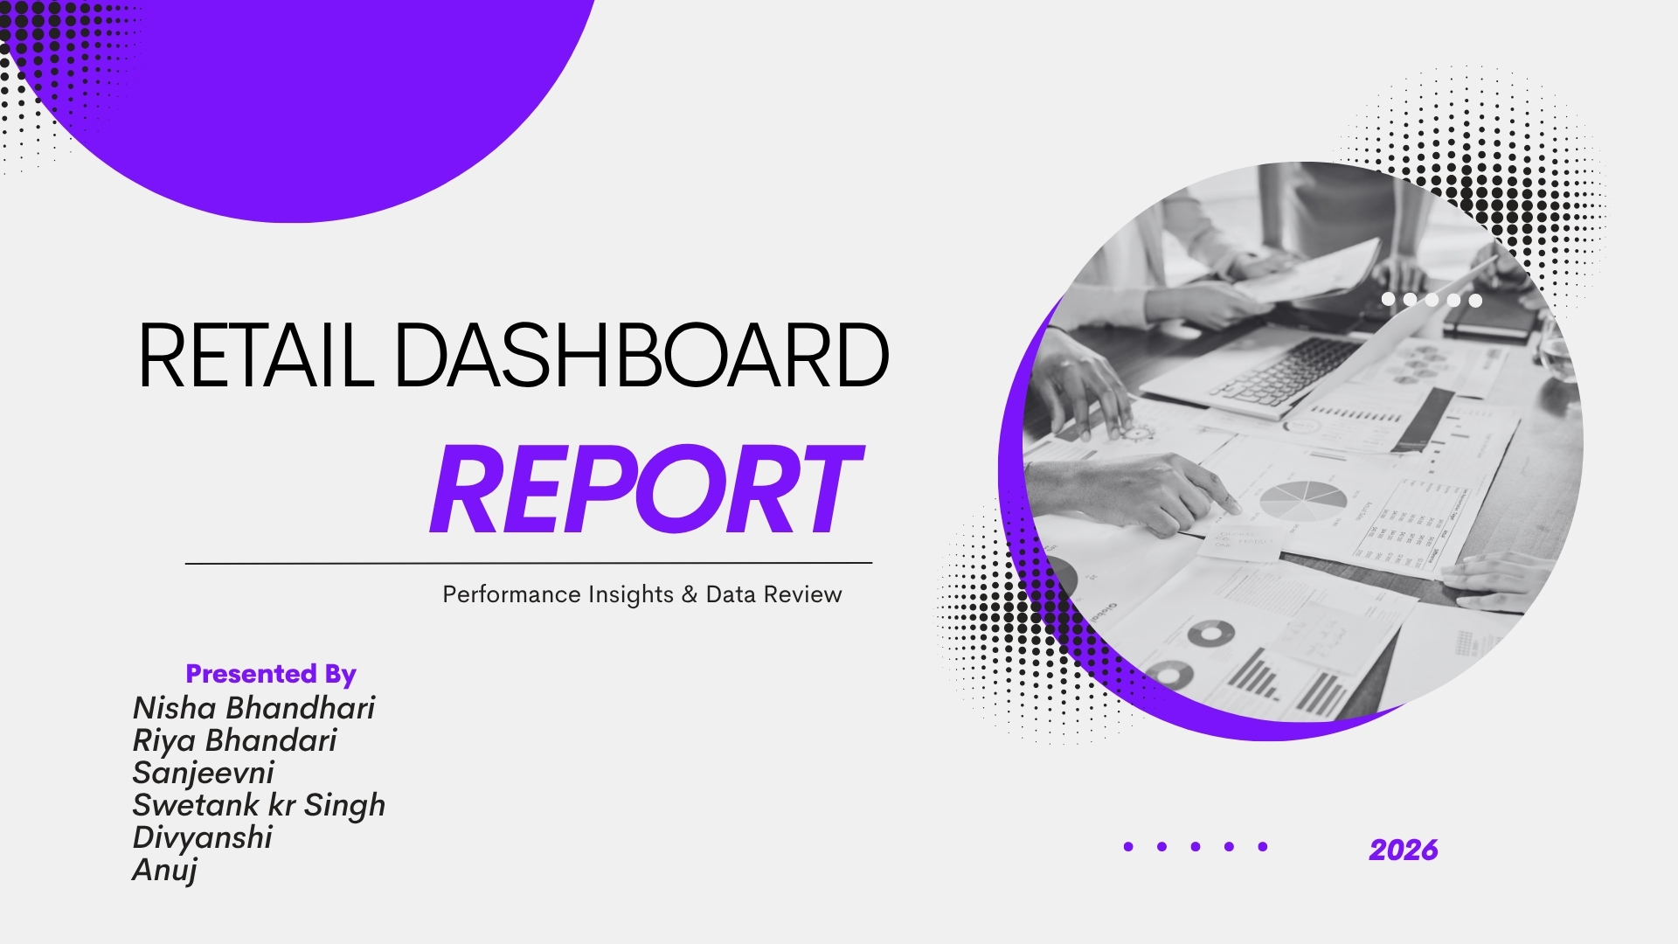

Pivot Table
Nisha Bhandari |  |  | Swetank singh |  |  | Riya Bhandari |  | Sanjeevni |  | Anuj and divyanshi
Year Wise Order & Profit Margin
Row Labels | Sum of Order Total | Sum of Profit Margin | Row Labels | Sum of Order Quantity | Sum of Profit Margin | Row Labels | Average of Profit Margin | Row Labels | Sum of Profit Margin | Row Labels | Count of Customer Name
2013 | $787,504.49 | $21,665.44 | Furniture | 3602 | $2,151.0 | 0% | $16.75 | 2013 | $21,665.44 | Consumer | 857
2014 | $983,354.14 | $21,320.74 | Office Supplies | 106316 | $69,745.0 | 1% | $22.49 | 2014 | $21,320.74 | Corporate | 1823
2015 | $1,028,088.66 | $20,753.52 | Technology | 22471 | $17,934.0 | 2% | $16.06 | 2015 | $20,753.52 | Home Office | 1232
2016 | $940,633.06 | $24,227.67 | Grand Total | 132389 | $89,830.0 | 3% | $17.69 | 2016 | $24,227.67 | Small Business | 1088
2017 | $69,419.50 | $2,012.93 |  |  |  | 4% | $22.79 | 2017 | $2,012.93 | Grand Total | 5000
Grand Total | $3,808,999.85 | $89,980.30 |  |  |  | 5% | $21.12 | Grand Total | $89,980.30
 |  |  | Row Labels | Sum of Profit Margin |  | 6% | $17.43
 | Total
0% | 17.0078826
1% | 22.680149254
2% | 15.990418994
3% | 17.888208723
4% | 22.708763797
5% | 20.226047198
6% | 17.505714286
7% | 18.149048583
8% | 15.758855721
9% | 16.112423625
10% | 14.916338028
 |  |  | Australian Victoria | $26,240.0 |  | 7% | $17.99 |  |  | Row Labels | Sum of Order Total
 |  |  | Melbourne | $26,240.0 |  | 8% | $16.00 | Row Labels | Sum of Profit Margin | Aanya Zhang | 243206.86
Row Labels | Sum of Order Total | 3808999.85 | New South Wales | $63,590.0 |  | 9% | $16.07 | Cando PC940 Copier | $17,585.76 | Connor Betts | 746122.56
Furniture | $76,118.98 |  | Sydney | $63,590.0 |  | 10% | $14.77 | HFX LaserJet 3310 Copier | $10,656.00 | Leighton Forrest | 216450.94
Office Supplies | $2,991,797.66 |  | Grand Total | $89,830.0 |  | Grand Total | $18.00 | Adesso Programmable 142-Key Keyboard | $7,625.62 | Mihael Khan | 280690.79
Technology | $741,083.21 |  |  |  |  |  |  | UGen Ultra Professional Cordless Optical Suite | $6,547.60 | Natasha Song | 237838.51
Grand Total | $3,808,999.85 |  |  |  |  |  |  | Deluxe Rollaway Locking File with Drawer | $6,163.30 | Nicholas Fernandes | 280195.32
 |  |  |  |  |  | Row Labels | Sum of Order Total | 3Max Polarizing Task Lamp with Clamp Arm, Light Gray | $2,828.70 | Phoebe Gour | 256487.17
 |  |  |  |  |  | NSW | $2,672,545.42 | Economy Rollaway Files | $2,436.75 | Samantha Chairs | 282291.69
 |  |  |  |  |  | VIC | $1,136,454.43 | Emerson Stylus 1520 Color Inkjet Printer | $2,144.39 | Tina Carlton | 447198.42
 |  |  |  |  |  | Grand Total | $3,808,999.85 | Multimedia Mailers | $1,715.58 | Yvette Biti | 388451.58
 |  |  |  |  |  |  |  | UGen Ultra Cordless Optical Suite | $1,532.85 | Grand Total | 3378933.84
 |  |  |  |  |  |  |  | Grand Total | $59,236.55

 |  |  |  |  |  |  |  |  |  | Row Labels | Sum of Profit Margin
 |  |  |  |  |  |  |  |  |  | Consumer | $15,268.25
 |  |  |  |  |  |  |  |  |  | Corporate | $34,541.50
 |  |  |  |  |  |  |  |  |  | Home Office | $21,355.66
 |  |  |  |  |  |  |  |  |  | Small Business | $18,814.89
 |  |  |  |  |  |  |  |  |  | Grand Total | $89,980.30

 | Total
0% | 17.0078826
1% | 22.680149254
2% | 15.990418994
3% | 17.888208723
4% | 22.708763797
5% | 20.226047198
6% | 17.505714286
7% | 18.149048583
8% | 15.758855721
9% | 16.112423625
10% | 14.916338028

Row Labels | Sum of Profit Margin
Consumer | $15,268.25
Corporate | $34,541.50
Home Office | $21,355.66
Small Business | $18,814.89
Grand Total | $89,980.30

 | Melbourne | Series2
0% | 3365 | 8984
1% | 2552 | 6661
2% | 2736 | 6267
3% | 5419 | 12395
4% | 3198 | 9295
5% | 2511 | 6493
6% | 2045 | 6377
7% | 3771 | 10735
8% | 3671 | 8118
9% | 3123 | 9354
10% | 3721 | 8585

Row Labels | Sum of Order Total
Adesso Programmable 142-Key Keyboard | $241,437.89
Cando PC940 Copier | $703,009.37
HFX LaserJet 3310 Copier | $469,032.70
UGen Ultra Cordless Optical Suite | $136,656.64
UGen Ultra Professional Cordless Optical Suite | $201,592.85
Grand Total | $1,751,729.45

Dashboard1
Total Sales
$37,31,536.40
Total Profit
$89,980.30
RETAIL AND SALES DASHBOARD
Total Order
Total Quantity
132,415
5,000

Sales and Profit trend by Year
 | Sum of Order Total | Sum of Profit Margin
2013 | $787,504.49 | $21,665.44
2014 | $983,354.14 | $21,320.74
2015 | $1,028,088.66 | $20,753.52
2016 | $940,633.06 | $24,227.67
2017 | $69,419.50 | $2,012.93
Revenue by Product Category
 | Total
Furniture | $76,118.98
Office Supplies | $2,991,797.66
Technology | $741,083.21
Avg Profit Margin by discount%
 | Series1
0% | 17.0078826
1% | 22.680149254
2% | 15.990418994
3% | 17.888208723
4% | 22.708763797
5% | 20.226047198
6% | 17.505714286
7% | 18.149048583
8% | 15.758855721
9% | 16.112423625
10% | 14.916338028
 | #NAME?

 | Series1 | Series2
0% | 3365 | 8984
1% | 2552 | 6661
2% | 2736 | 6267
3% | 5419 | 12395
4% | 3198 | 9295
5% | 2511 | 6493
6% | 2045 | 6377
7% | 3771 | 10735
8% | 3671 | 8118
9% | 3123 | 9354
10% | 3721 | 8585
 | 0

Top Market Performance by state
 | Total
NSW | 2617677.64
VIC | 1121902.71
 | Sum of Order Quantity | Sum of Profit Margin
Furniture | 3602 | 2151
Office Supplies | 106316 | 69745
Technology | 22471 | 17934
State & City Profit Margin
 | Total
Australian Victoria Melbourne | 26240
New South Wales Sydney | 63590

o
Profit Trend over Time
 | Total
2013 | $21,665.44
2014 | $21,320.74
2015 | $20,753.52
2016 | $24,227.67
2017 | $2,012.93
Top 10 Most Profitable Product
 | Total
Cando PC940 Copier | $17,585.76
HFX LaserJet 3310 Copier | $10,656.00
Adesso Programmable 142-Key Keyboard | $7,625.62
UGen Ultra Professional Cordless Optical Suite | $6,547.60
Deluxe Rollaway Locking File with Drawer | $6,163.30
3Max Polarizing Task Lamp with Clamp Arm, Light Gray | $2,828.70
Economy Rollaway Files | $2,436.75
Emerson Stylus 1520 Color Inkjet Printer | $2,144.39
Multimedia Mailers | $1,715.58
UGen Ultra Cordless Optical Suite | $1,532.85
Sales by Account Manager
 | Total
Aanya Zhang | 243206.86
Connor Betts | 746122.56
Leighton Forrest | 216450.94
Mihael Khan | 280690.79
Natasha Song | 237838.51
Nicholas Fernandes | 280195.32
Phoebe Gour | 256487.17
Samantha Chairs | 282291.69
Tina Carlton | 447198.42
Yvette Biti | 388451.58

Customers by Customer Type
 | Total
Consumer | 857
Corporate | 1823
Home Office | 1232
Small Business | 1088

